Sheet1
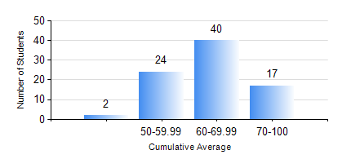
 |  |  | KWAME NKRUMAH UNIVERSITY OF SCIENCE AND TECHNOLOGY, KUMASI Department of Telecommunication Engineering

 |  |  | BSC. TELECOMMUNICATION ENG.

 |  |  | COMPREHENSIVE RECORD OF EXAMINATION RESULTS

 |  |  | RESULTS OF YEAR 4 SECOND SEMESTER, 2019/2020 ACADEMIC YEAR

 | Sn | Course Code |  | Course Name | Credit Hours | Min. Mark | Max. Mark | Avg. Mark | Std. Dev. | No. Passed | No. Trailed | No. (Df) | No. (I) | No. (I*) | No. Tagged(I,I*,Df) | Total
 | 0. |  |  |  |  |  |  | 0 | 0 | 0 | 0 | 0 | 0 | 0 | 0 | 1
 | 1. | EE 472 |  | DIGITAL SIGNAL PROCESSING | 3 | 55 | 97 | 84 | 8.55 | 82 | 0 | 0 | 0 | 0 | 0 | 82
 | 2. | ME 492 |  | MANAGEMENT AND ENTREPRENEURSHIP DEVELOPMENT | 2 | 40 | 78 | 65 | 7.45 | 82 | 0 | 0 | 0 | 0 | 0 | 82
 | 3. | TE 462 |  | TELECOMMUNICATION POLICY | 2 | 56 | 96 | 82 | 7.13 | 82 | 0 | 0 | 0 | 0 | 0 | 82
 | 4. | TE 472 |  | MOBILE AND SATELLITE COMMUNICATION SYSTEM | 3 | 45 | 91 | 77 | 9.64 | 82 | 0 | 0 | 0 | 0 | 0 | 82
 | 5. | TE 474 |  | MICROWAVE ENGINEERING | 2 | 40 | 88 | 70 | 11.27 | 78 | 0 | 0 | 4 | 0 | 4 | 82
 | 6. | TE 484 |  | NETWORK PLANNING | 2 | 65 | 97 | 90 | 6.17 | 82 | 0 | 0 | 0 | 0 | 0 | 82
 | 7. | TE 498 |  | PROJECT II | 5 | 70 | 93 | 82 | 4.67 | 82 | 0 | 0 | 0 | 0 | 0 | 82

